Company Summary
Executive Summary Hindustan Unilever
 |  |  | Hindustan Unilever is in the FMCG business comprising primarily of Home Care, Beauty & Personal Care and Foods & Refreshment segments. The Company has manufacturing facilities across the country and sells primarily in India. The company has a portfolio of over 50 brands, spanning 16 FMCG categories, including 19 brands with a turnover of more than Rs. 1,000 Cr PA. The company has a presence in 9 out of 10 Indian with over 9 million retail outlets spread across India through a network of 35 distribution hubs and more than 3,500 distributors.

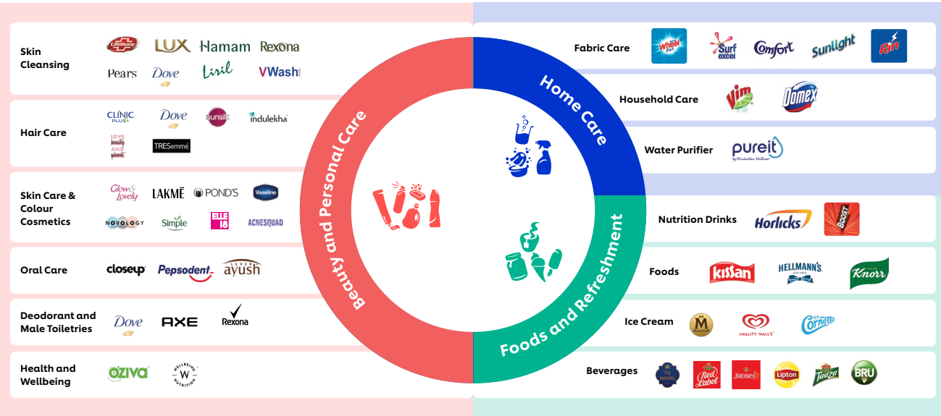
Wide Portfolio |  |  |  |  |  | The company has a portfolio of over 50 brands, spanning 16 FMCG categories, including 19 brands with a turnover of more than Rs. 1,000 Cr PA. The products are split into the following segments: 1)Home Care: The company offers detergent bars, detergent powders, detergent liquids, scourers, purifiers, etc under its brands such as Surf excel, Wheel, Rin, Comfort, Vim, and Domex. 2)Beauty & Personal Care: The company offers products in the categories of oral care, skin care, soaps, hair care, deodorants, talcum powder, color cosmetics, salon services, etc under the brands like Sunsilk, Vaseline, Glow & Lovely, Lakme, Lifebuoy, Ponds, Dove, Closeup, and more 3)Foods and Refreshments: The company offers culinary products like tomato-based products, fruit-based products, soups, etc, tea, coffee, nutrition drinks, ice-cream, and frozen desserts, through brands like Brooke Bond, Lipton, Horlicks, Boost, Bru, Kissan, Knorr, Hellmann’s, Kwality Walls and Magnum. 4)Other: The segment includes exports, consignment etc. It aims to export brands, such as Vaseline, Dove, Pears, Bru, Red Label, Lakmē, Horlicks, and Boost.

Shareholders Patterns
Shareholders Patterns
Particulars | Mar-17 | Mar-18 | Mar-19 | Mar-20 | Mar-21 | Mar-22 | Mar-23 | Mar-24 | Mar-25 | Jun-25
Promoters | 67.20% | 67.19% | 67.19% | 67.18% | 61.90% | 61.90% | 61.90% | 61.90% | 61.90% | 61.90%
FIIs | 13.26% | 12.56% | 11.83% | 12.10% | 14.95% | 13.66% | 14.36% | 12.67% | 10.62% | 10.18%
DIIs | 5.66% | 6.85% | 7.03% | 6.67% | 10.68% | 11.61% | 11.51% | 13.21% | 15.48% | 15.99%
Government | 0.00% | 0.00% | 0.00% | 0.00% | 0.00% | 0.00% | 0.04% | 0.04% | 0.07% | 0.07%
Public | 13.88% | 13.39% | 13.95% | 14.05% | 12.47% | 12.83% | 12.17% | 12.19% | 11.93% | 11.86%
No.of Shareholders | 332,275 | 310,063 | 378,368 | 459,182 | 769,663 | 1,361,506 | 1,127,982 | 1,205,416 | 1,233,438 | 1,167,945

